Table 1


GET FIT WITH HANNA ÖBERG

Program Information Workout Split: 5 days active - 2 days rest Program Information: SS - Superset (2 exercises in 1 set) From week to week * Raise the weights * The goal is to get stronger by the weeks * The last reps should be really heavy * Fst7 - 7 sets x 8-12 reps (Rest time 20-30sec)
Warmup
Bike |  | 10 min
Stretch |  | 5 min
Day 1 - Legs (Front) / Glutes
Week 1 | Week 2 | Week 3 | Week 4
Legpress with mini band SS Air Squats with Miniband MAX 2 min rest between sets
15 / 15 reps | 15 / 20 reps | 12 / 20 reps | 10 / 20 reps
12 / 15 reps | 12 / 20 reps | 10 / 20 reps | 8 / 15 reps
10 / 15 reps | 10 / 20 reps | 10 / 20 reps | 6 / 12 reps
Excentric 6 reps | Excentric 8 reps | Excentric 10 reps | Excentric 12 reps
One Leg Legpress 1 min rest between sets
10 reps | 12 reps | 12-15 reps | 15 reps
10 reps | 12 reps | 12-15 reps | 15 reps
10 reps | 12 reps | 12-15 reps | 15 reps
10 reps | 12 reps | 12-15 reps | 15 reps
Legkick machine SS Kickback in legkick machine MAX 2 min rest between sets
15 / 15 reps | 12-15 / 15 reps | 10 / 15 reps | 8-10 / 15 reps
15 / 15 reps | 12-15 / 15 reps | 10 / 15 reps | 8-10 / 15 reps
15 / 15 reps | 12-15 / 15 reps | 10 / 15 reps | 8-10 / 15 reps
Goblet squats w. kettlebell SS Side lunges MAX 2 min rest between sets
10-12 / 10-12 reps | 12 / 12 reps | 15 / 12 reps | 15 / 15 reps
10-12 / 10-12 reps | 12 / 12 reps | 15 / 12 reps | 15 / 15 reps
12 / 12 reps | 12 / 12 reps | 15 / 12 reps | 15 / 15 reps
12 / 12 reps | 12 / 12 reps | 15 / 12 reps | 15 / 15 reps
Hip Thrusters
12-15 reps | 12-15 reps | 15 reps | 15 reps
10-12 reps | 10-12 reps | 15 reps | 15 reps
8-10 reps | 8-10 reps | 15 reps | 15 reps
15 reps | 15 reps | 12 reps | 15 reps
15 reps | 15 reps | 12 reps | 15 reps
Warmup
Rotation Cuff Cable |  | 3 sets x 15 reps /side
MiIlitary press (sitting) |  | 3 sets x 15 reps (light weights)
Day 2 - Shoulders / Triceps / Abs
Week 1 | Week 2 | Week 3 | Week 4
Military Press (sitting) MAX 2 min rest between sets
12 | 10-12 | 15 | 12
12 | 10-12 | 12 | 8 - 10
12 | 8-10 | 10 | 8 - 10
10 | 8-10 | 8 | 6
Lateral raises SS Front raises (Standing) MAX 2 min rest between sets
15 / 15 reps | 12 / 12 reps | 10 / 10 reps | 15 / 15 reps
15 / 15 reps | 12 / 12 reps | 10 / 10 reps | 12 / 12 reps
15 / 15 reps | 12 / 12 reps | 10 / 10 reps | 10 / 10 reps
15 / 15 reps | 12 / 12 reps | 10 / 10 reps | 8 / 8 reps
Cable Upright rows V-handle SS Cable triceps Push-ups MAX 2 min rest between sets
15 / 15 reps | 15 / 15 reps | 12 / 12 reps | 12 / 15 reps
12 / 15 reps | 12 / 15 reps | 12 / 12 reps | 10 / 12 reps
10 / 15 reps | 10 / 15 reps | 10 / 12 reps | 8 / 10 reps
Bent over Front raises SS Triceps push-backs MAX 2 min rest between sets
15 / 15 reps | 15 / 15 reps | 15 / 15 reps | 15 / 15 reps
12 / 15 reps | 12 / 15 reps | 12 / 15 reps | 12 / 15 reps
10 / 15 reps | 10 / 15 reps | 12 / 15 reps | 15 / 15 reps
10 / 15 reps | 10 / 15 reps | 12 / 15 reps | 15 / 15 reps
Sitting Lateral raises (bench 90 degrees)*
Fst7 principle | Fst7 principle | Fst7 principle | Fst7 principle
French press dumbbells SS Abs crunches on bench MAX 2 min rest between sets
12 / 15 reps | 15 / 15 reps | 15 / 20 reps | 10 / 25 reps
12 / 15 reps | 12 / 15 reps | 15 / 20 reps | 10 / 25 reps
12 / 15 reps | 10 / 15 reps | 15 / 20 reps | 8-10 / 25 reps
Cable crunches SS Rusian twist MAX 2 min rest between sets
20 / 30 reps | 20 / 30 reps | 25 / 30 reps | 25 / 30 reps
20 / 30 reps | 20 / 30 reps | 20 / 30 reps | 20 / 30 reps
20 / 30 reps | 20 / 30 reps | 15 / 30 reps | 15 / 30 reps
20 / 30 reps | 20 / 30 reps | 12 / 30 reps | 12 / 30 reps
Warmup
Bike |  | 10 min
Stretch |  | 5 min
Day 3 - Legs (Hamstrings) / Glutes
Week 1 | Week 2 | Week 3 | Week 4
Sumo Dead Lifts MAX 3 min rest between sets
10 reps | 15 reps | 12 reps | 10 reps
10 reps | 12 reps | 10 reps | 8 reps
10 reps | 10 reps | 8 reps | 6-4 reps
10 reps | 8 reps | 6 reps | 10 reps
Cable pull through SS Cable squats MAX 2 min rest between sets
12 / 12 reps | 15 / 12 reps | 15 / 15 reps | 15 / 15 reps
12 / 12 reps | 15 / 12 reps | 15 / 12 reps | 15 / 15 reps
12 / 12 reps | 15 / 12 reps | 15 / 10 reps | 15 / 15 reps
12 / 12 reps | 15 / 12 reps | 15 / 10 reps | 15 / 15 reps
Walking lunges w. dumbbells MAX 2-3 min rest between sets
15 steps / leg | 15 steps / leg | 15 steps / leg | 15 steps / leg
15 steps / leg | 15 steps / leg | 15 steps / leg | 15 steps / leg
15 steps / leg | 15 steps / leg | 15 steps / leg | 15 steps / leg
Bugarian Split w. dumbbells (on bench) MAX 2 min rest between sets
10 reps / leg | 12 reps / leg | 15 reps / leg | 10 reps / leg
10 reps / leg | 12 reps / leg | 15 reps / leg | 10 reps / leg
10 reps / leg | 12 reps / leg | 15 reps / leg | 10 reps / leg
Hip Thrusters SS Stretching between sets
10 reps | 10 reps | 12 reps | 15 reps
10 reps | 10 reps | 12 reps | 15 reps
10 reps | 10 reps | 12 reps | 12 reps
10 reps | 10 reps | 12 reps | 10 reps
10 reps | 10 reps | 12 reps | 10 reps
10 reps | 10 reps | 12 reps | 8 reps
Abductor machine OR Miniband abductor SS Stretch between sets MAX 1 min rest between sets
20 reps | 20 reps | 15 standing / 15 sitting | 15 standing / 15 sitting
20 reps | 15 reps | 15 standing / 15 sitting | 12 standing / 12 sitting
20 reps | 15 reps | 15 standing / 15 sitting | 10 standing / 10 sitting
20 reps | 12 reps | 15 standing / 15 sitting | 15 standing / 15 sitting
Warmup
Crosstrainer |  | 5 min
Chest press dumbbells |  | 5 set x 10 reps (light weights)
Day 4 - Chest & Biceps
Week 1 | Week 2 | Week 3 | Week 4
Chest press dumbbells MAX 2 min rest between sets
10 reps | 15 reps | 12 reps | 10 reps
10 reps | 12 reps | 10 reps | 8 reps
10 reps | 10 reps | 8 reps | 6-4 reps
10 reps | 8 reps | 6 reps | 10 reps
Incline chest press SS Incline biceps curls MAX 2 min rest between sets
12 / 10 reps | 15 / 12 reps | 15 / 15 reps | 15 / 15 reps
12 / 10 reps | 15 / 12 reps | 15 / 12 reps | 12 / 15 reps
12 / 10 reps | 15 / 12 reps | 10 / 10 reps | 10 / 12 reps
Flyes SS Wide biceps curls MAX 2 min rest between sets
15 / 12 reps | 15 / 12 reps | 15 / 15 reps | 12-15 / 15 reps
15 / 12 reps | 15 / 12 reps | 15 / 15 reps | 12-15 / 15 reps
15 / 12 reps | 15 / 12 reps | 15 / 15 reps | 12-15 / 15 reps
Cable incline ﬂyes SS Sitting cable biceps MAX 2 min rest between sets
10 / 10 reps | 10 / 10 reps | 12 / 12 reps | 15 / 12 reps
10 / 10 reps | 10 / 10 reps | 12 / 12 reps | 10 / 12 reps
10 / 10 reps | 10 / 10 reps | 12 / 12 reps | 10 / 12 reps
Biceps 21:an MAX 2 min rest between sets
7x7x7 | 7x7x7 | 7x7x7 | 7x7x7
7x7x7 | 7x7x7 | 7x7x7 | 7x7x7
7x7x7 | 7x7x7 | 7x7x7 | 7x7x7
Push up (on ties or knees) MAX 1 min rest between sets
12 reps | 15 reps | MAX reps | MAX reps
10 reps | 15 reps | 10 reps | MAX reps
MAX reps | MAX reps | 10 reps | MAX reps
Warmup
Crosstrainer |  | 5 min
Lats pulldown |  | 5 set x 10 reps (lights weights)
Day 5- Back & Abs
Week 1 | Week 2 | Week 3 | Week 4
Lats pulldown MAX 2 min rest between sets
10 reps | 15 reps | 12 reps | 10 reps
10 reps | 12 reps | 10 reps | 8 reps
10 reps | 10 reps | 10-8 reps | 6-4 reps
10 reps | 8 reps | 8-6 reps | 10-12 reps
Pull downs SS Cable Face pull MAX 2 min rest between sets
10 / 10-12 reps | 15 / 12 reps | 15 / 12 reps | 15 / 12 reps
10 / 10-12 reps | 12 / 12 reps | 12 / 12 reps | 12 / 12 reps
10 / 10-12 reps | 10 / 12 reps | 10 / 12 reps | 10 / 12 reps
10 / 10-12 reps | 15 / 12 reps | 15 / 12 reps | 15 / 12 reps
Cable Rows SS One arm Cable rows (leaning forward) MAX 2 min rest between sets
10 / 10-12 reps | 15 / 12 reps | 15 / 12 reps | 15 / 12 reps
10 / 10-12 reps | 12 / 12 reps | 12 / 12 reps | 12 / 12 reps
10 / 10-12 reps | 10 / 12 reps | 10 / 12 reps | 10 / 12 reps
One arm Two (on bench) SS Abs-Hands to toes MAX 2 min rest between sets
10 / 10-12 reps | 12 / 15 reps | 15 / 15 reps | 15 / 20 reps
10 / 10-12 reps | 12 / 15 reps | 15 / 15 reps | 12 / 20 reps
10 / 10-12 reps | 12 / 15 reps | 15 / 15 reps | 10 / 20 reps
10 / 10-12 reps | 12 / 15 reps | 15 / 15 reps | 8 / 20 reps
Incline Bench rows SS Abs-Plank MAX 2 min rest between sets
10 reps / 30sec-1min | 12 reps / 30sec-1min | 12 reps / 1min | 15 reps / 1min
10 reps / 30sec-1min | 12 reps / 30sec-1min | 12 reps / 1min | 15 reps / 1min
10 reps / 30sec-1min | 12 reps / 30sec-1min | 10 reps / 1min | 15 reps / 1min
Sit-ups w dumbbells SS One leg/one arm cross over MAX 2 min rest between sets
15 / 12-15 reps /side | 15 / 12-15 reps /side | 15 / 15 reps /side | 15 / 15 reps /side
15 / 12-15 reps /side | 15 / 12-15 reps /side | 15 / 15 reps /side | 15 / 15 reps /side
15 / 12-15 reps /side | 15 / 12-15 reps /side | 15 / 15 reps /side | 15 / 15 reps /side
15 / 12-15 reps /side | 15 / 12-15 reps /side | 15 / 15 reps /side | 15 / 15 reps /side
Back extension SS Side crunches w weight MAX 2 min rest between sets
20 / 12-15 reps /side | 20 / 12-15 reps /side | 20 / 12-15 reps /side | 20 / 12-15 reps /side
20 / 12-15 reps /side | 20 / 12-15 reps /side | 20 / 12-15 reps /side | 20 / 12-15 reps /side
20 / 12-15 reps /side | 20 / 12-15 reps /side | 20 / 12-15 reps /side | 20 / 12-15 reps /side
20 / 12-15 reps /side | 20 / 12-15 reps /side | 20 / 12-15 reps /side | 20 / 12-15 reps /side
Exercise Library Day 1
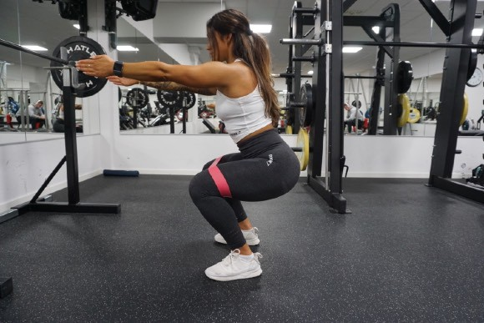 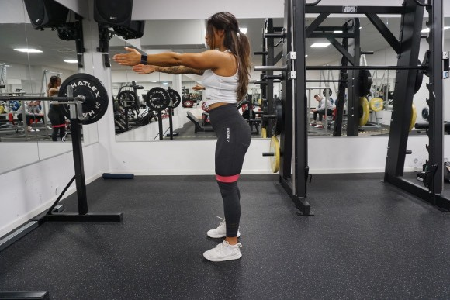 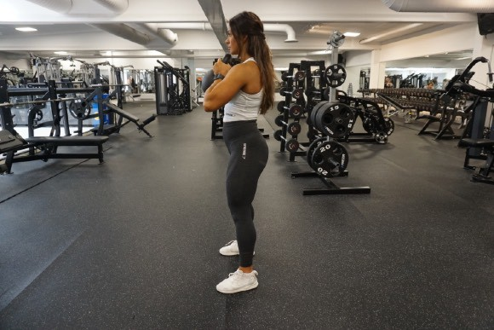 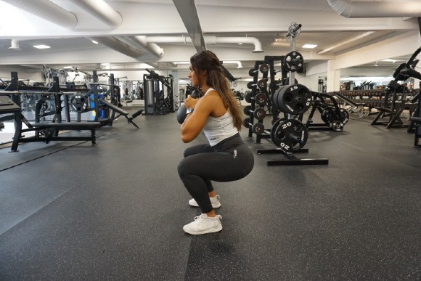 Air squats with miniband Goblet squats with kettlebell Hip thrust

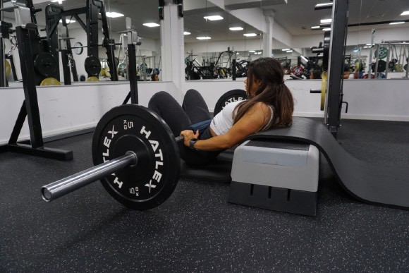
 |  | 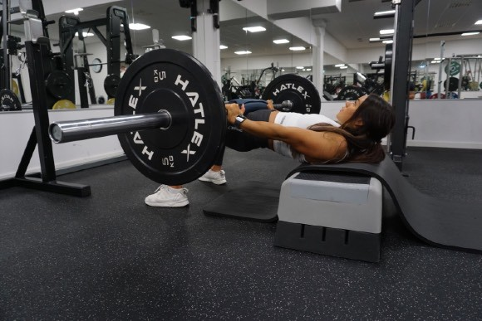
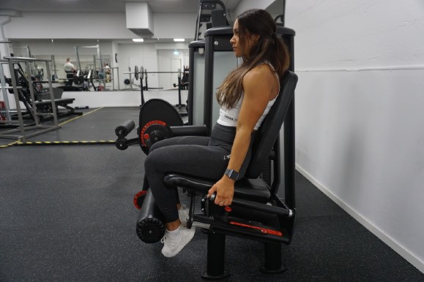 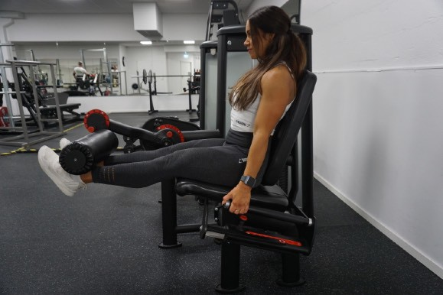 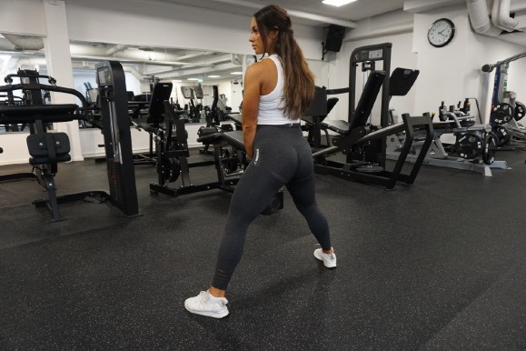 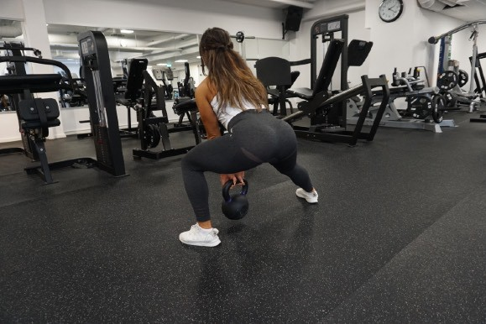 Leg kick machine Side lunge Single leg press

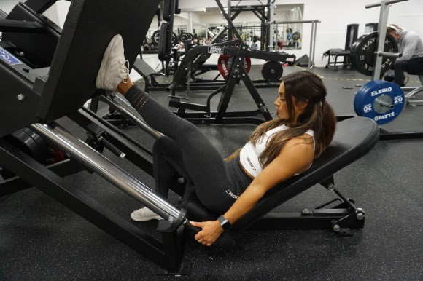
 |  | 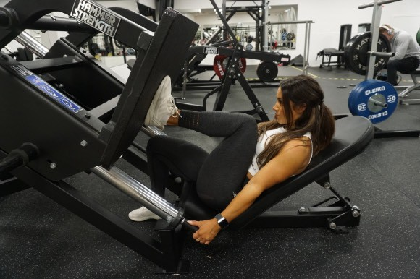
Day 2 Seated military press
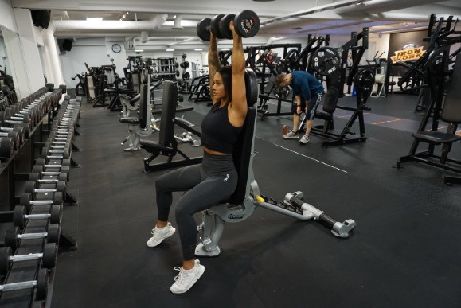 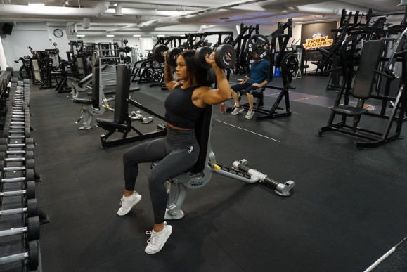 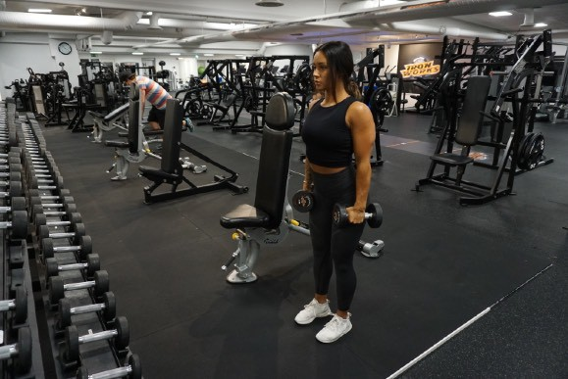 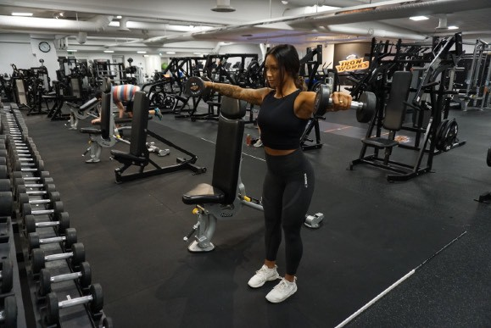 Lateral raise Front raise

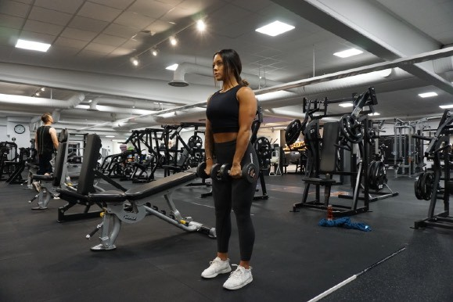
 |  | 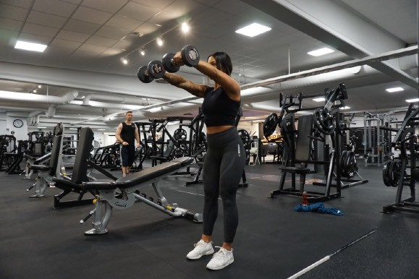
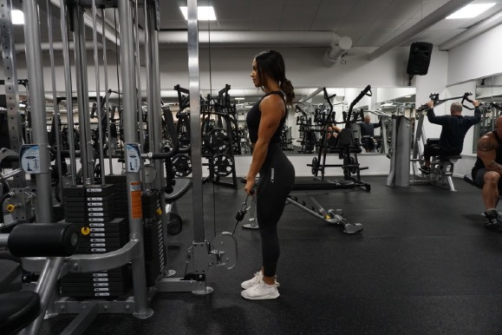 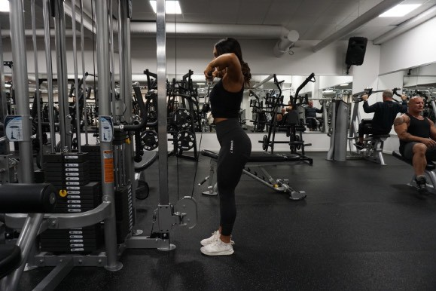 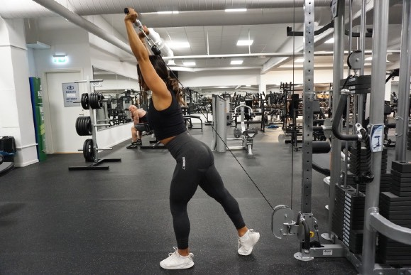 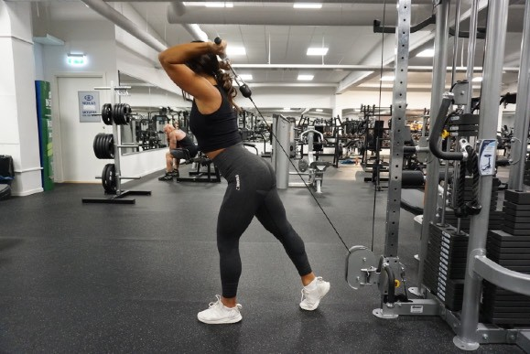 Cable upright rows Cable tricep push ups Tricep push backs

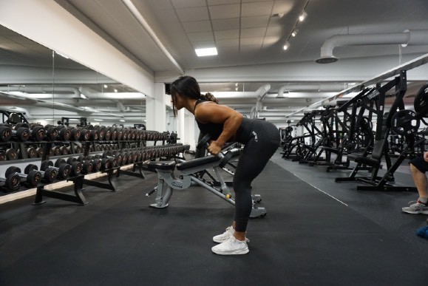
 |  | 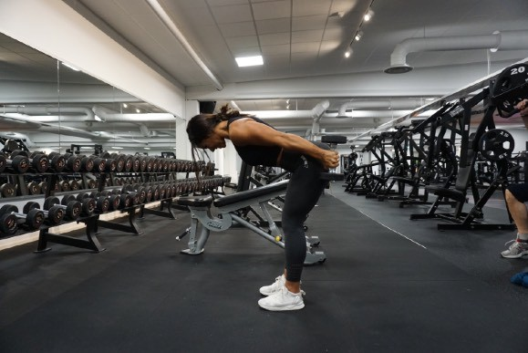
Sitting lateral raises
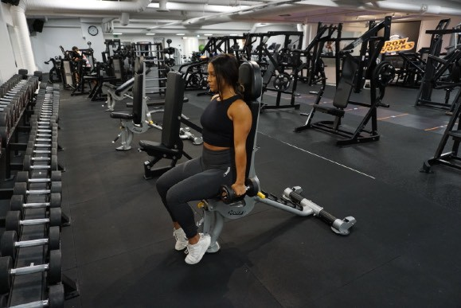 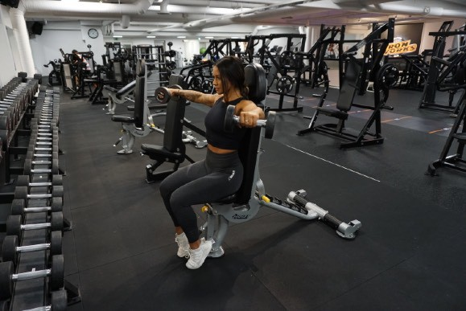 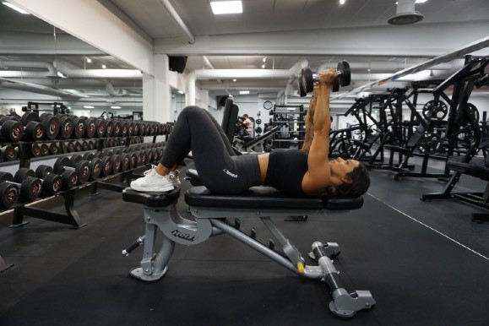 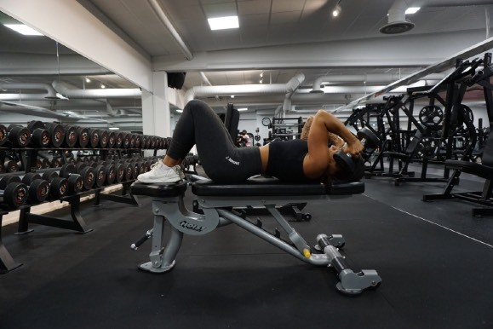 French press dumbbells Abs crunches on bench

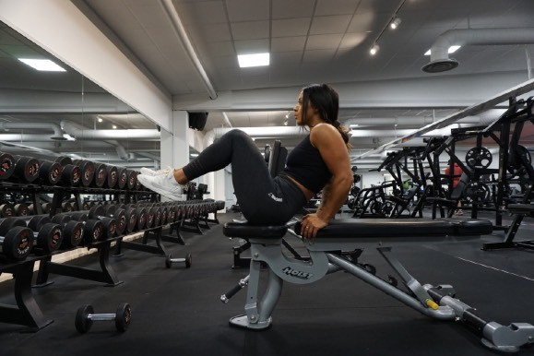
 |  | 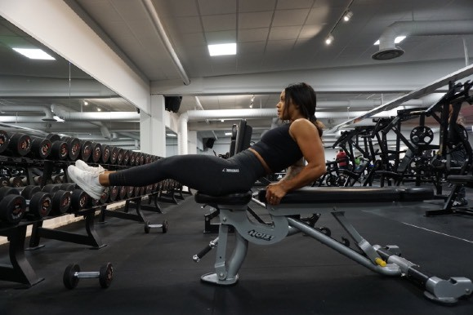
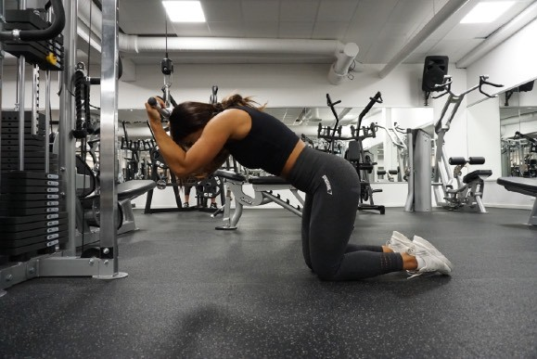 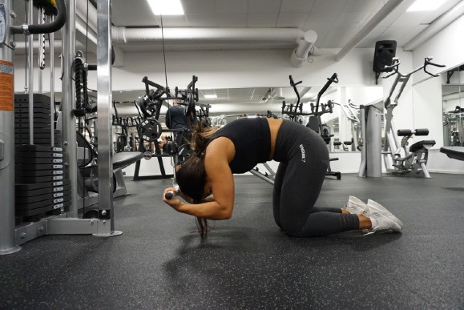 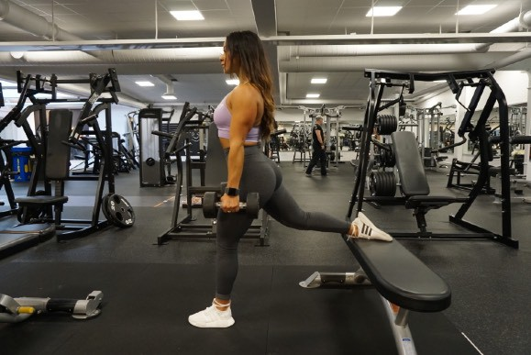 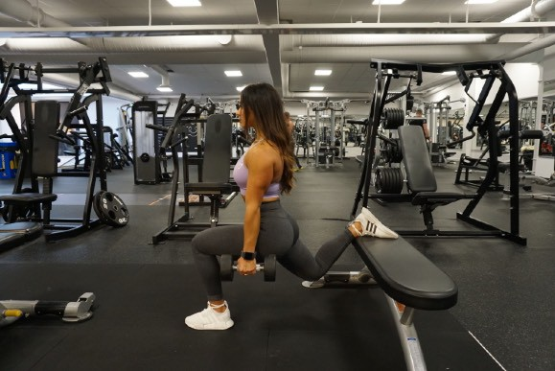 Cable crunches Day 3 Bulgarian split dumbbells (on bench) Cable pull through

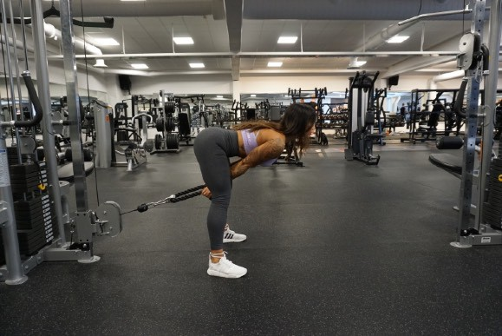
 |  | 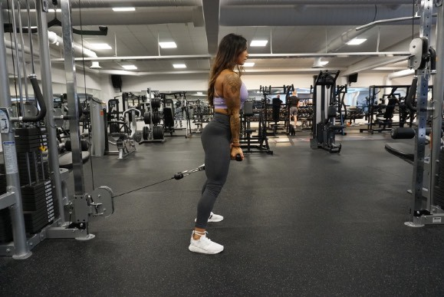
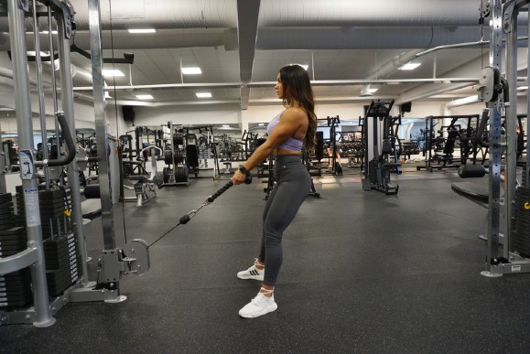 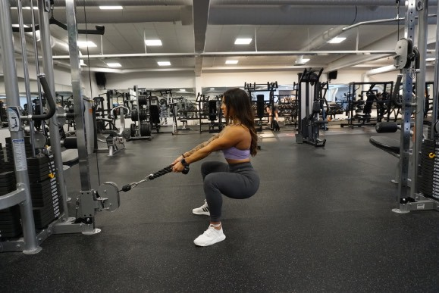 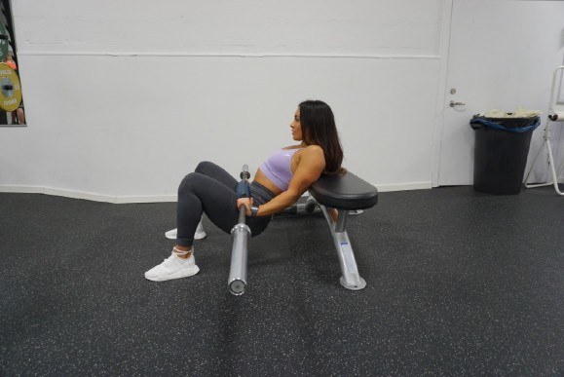 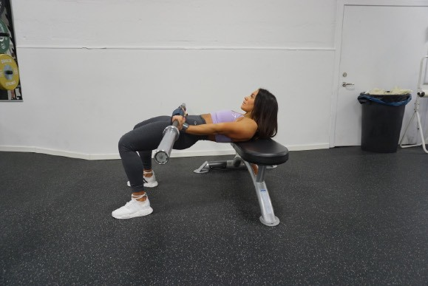 Cable squats Hip thrusters Sumo deadlift

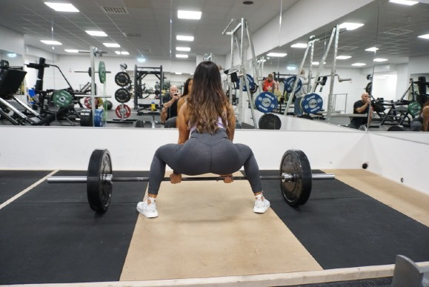
 |  | 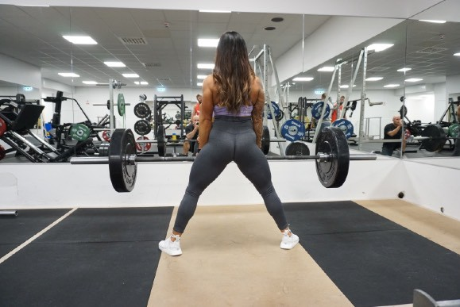
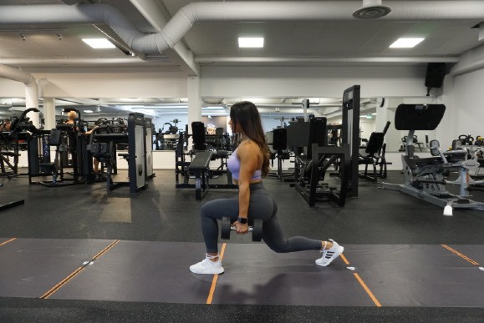 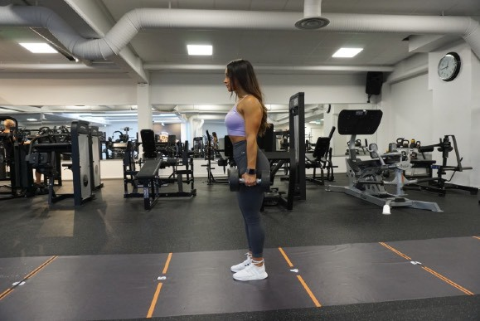 Walking lunges dumbbells
Day 4 Chest press dumbbells
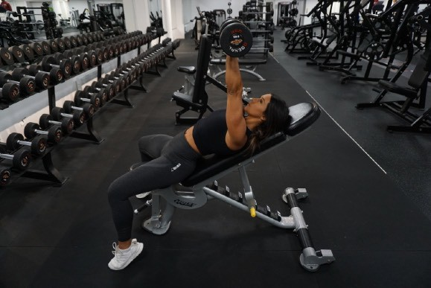
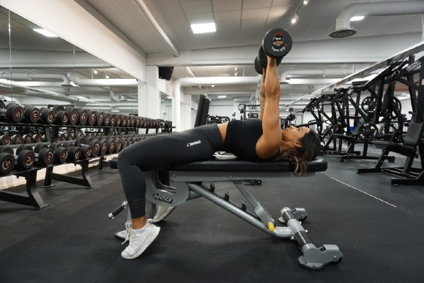 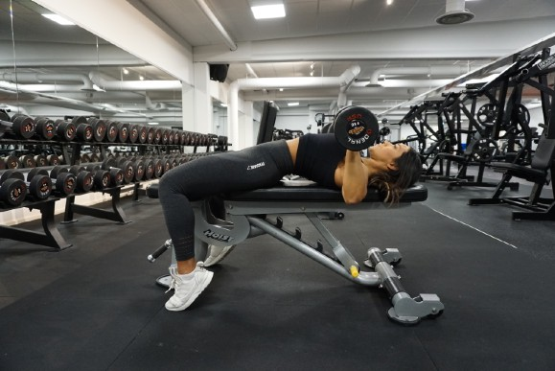 Incline chest press

 |  | 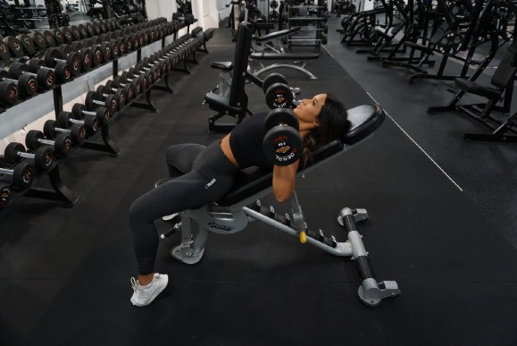
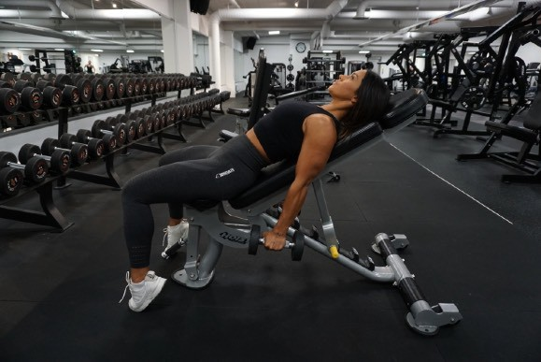 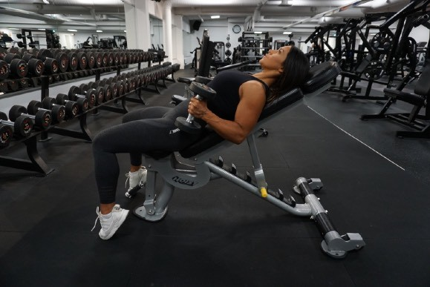   Incline bicep curls Flyes Wide biceps curl


 |  | 
    Cable incline ﬂyes Cable biceps Push ups


 |  | 
Day 5
    Lat pulldown Cable pulldown Cable face pull


 |  | 
    Cable row One arm cable row Dumbbell one arm row


 |  | 
    Abs hand to toes Dumbbell situps One leg / one arm crossover



 |  | 
  Back extension Side crunches

 |  | 

